Fig. 1 - Material Supply Chain
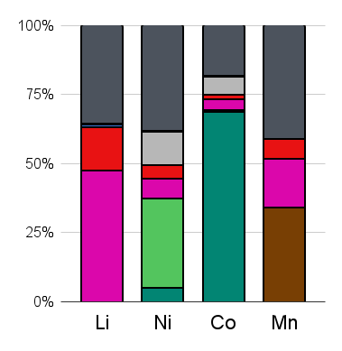
2020 data | MINING | Li | Ni | Co | Mn
 | South Africa | 0 | 0 | 0 | 6500
 | DRC | 0 | 125500 | 98000 | 0
 | Indonesia | 0 | 771000 | 1100 | 0
 | Australia | 39700 | 169000 | 5630 | 3330
 | China | 13300 | 120000 | 2200 | 1340
 | Russia | 0 | 283000 | 9000 | 0
 | Europe | 348 | 0 | 0 | 0
 | United States | 710 | 16700 | 600 | 0
 | Japan | 0 | 0 | 0 | 0
 | South Korea | 0 | 0 | 0 | 0
 | Other | 29237 | 899300 | 25470 | 7730
 | Total | 83295 | 2384500 | 142000 | 18900

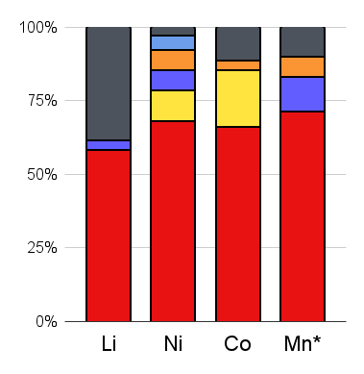
 | REFINING | Li | Ni | Co | Mn*
 | China | 42480 | 167000 | 78360 | 189850
 | South Africa | 0 | 0 | 0 | 0
 | DRC | 0 | 0 | 400 | 0
 | Indonesia | 0 | 0 | 0 | 0
 | Australia | 0 | 0 | 0 | 0
 | Russia | 0 | 0 | 0 | 0
 | Europe | 0 | 25000 | 22900 | 0
 | United States | 2345 | 16700 | 0 | 31690
 | Japan | 0 | 17000 | 4000 | 17877
 | South Korea | 0 | 12000 | 0 | 0
 | Other | 27492 | 6000 | 13000 | 26003
 | Total | 72317 | 243700 | 118660 | 265420

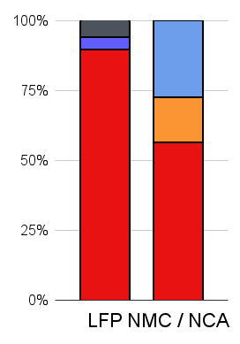
 | CATHODES | LFP | NMC / NCA
 | China | 80000 | 197000
 | South Africa | 0 | 0
 | DRC | 0 | 0
 | Indonesia | 0 | 0
 | Australia | 0 | 0
 | Russia | 0 | 0
 | Europe | 0 | 0
 | United States | 4000 | 0
 | Japan | 0 | 56481
 | South Korea | 0 | 94135
 | Other | 5000 | 0
 | Total | 89000 | 347616

 | Battery and Cells
 | China | 362 |  | 872
 | Europe | 34 |  | 510
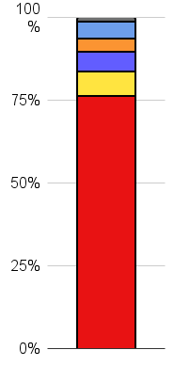
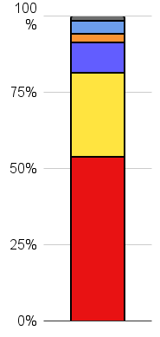
 | United States | 29 |  | 476
 | Japan | 19 |  | 447
 | South Korea | 24 |  | 428
 | Other | 4 |  | 404
 |  |  |  | 400
 | EVs
 | China | 256 |  | 872
 | Europe | 130 |  | 616
 | United States | 47 |  | 486
 | Japan | 13 |  | 439
 | South Korea | 20 |  | 426
 | Other | 6 |  | 406
 |  |  |  | 400

